정리
1차년도 12kg H 타입 모터 프롭
모터 모델 | 프롭 | Voltage(V) | Throttle(%) | Current(A) | Thrust(G) | Thrust(kg)* 8축 | RPM
U8 Lite L KV110 | 28인치카본프롭 | 48 | 50 | 6.13 | 3075 | 24.6 | 2273
 |  |  | 65 | 11.3 | 4543 | 36.344 | 2828
 |  |  | 75 | 16.98 | 6083 | 48.664 | 3230
 |  |  | 85 | 23 | 7500 | 60 | 3500 | (추정)
 |  |  | 100 | 35.55 | 9847 | 78.776 | 4063

U8 PRO KV170 |  | 22.2 | 50 | 5.5 | 1820 | 14.56 | 1600
 |  |  | 65 | 10.2 | 2800 | 22.4 | 2000
 |  |  | 75 | 13.7 | 3460 | 27.68 | 2200
 |  |  | 85 | 17.8 | 4160 | 33.28 | 2400
 |  |  | 100 | 21.7 | 4590 | 36.72 | 2540

2차년도 40kg H 타입 모터 프롭
모터 모델 | 프롭 | Voltage(V) | Throttle(%) | Current(A) | Thrust(G) | Thrust(kg)* 8축 | RPM
U11 KV120 | 28인치카본프롭 | 50 | 50 | 11.8 | 5090 | 40.72 | 2760
 |  |  | 65 | 21.3 | 7480 | 59.84 | 3300
 |  |  | 75 | 30.4 | 9140 | 73.12 | 3600
 |  |  | 85 | 40 | 10540 | 84.32 | 3960
 |  |  | 100 | 53 | 12340 | 98.72 | 4300

3차년도 200kg H 타입 모터 프롭
모터 모델 | 프롭 | Voltage(V) | Throttle(%) | Current(A) | Thrust(G) | Thrust(kg)* 8축 | RPM
U15L KV43 | 47인치카본프롭 | 100 | 50 | 29.23 | 23782 | 190.256 | 1942
 |  |  | 60 | 44.6 | 32139 | 257.112 | 2241
 |  |  | 70 | 64.85 | 40584 | 324.672 | 2529
 |  |  | 80 | 85.82 | 49290 | 394.32 | 2768
 |  |  | 90 | 110.07 | 57896 | 463.168 | 3058
 |  |  | 100 | 121.53 | 61231 | 489.848 | 3134

U15XL KV38 | 52인치카본프롭 |  | 50 | 43.4 | 30255 | 242.04 | 1775
 |  |  | 60 | 65.2 | 39961 | 319.688 | 2038
 |  |  | 70 | 91.9 | 50342 | 402.736 | 2287
 |  |  | 80 | 123.3 | 61188 | 489.504 | 2520
 |  |  | 90 | 159.6 | 72298 | 578.384 | 2739
 |  |  | 100 | 200.7 | 83487 | 667.896 | 2943

옥타(20kg)
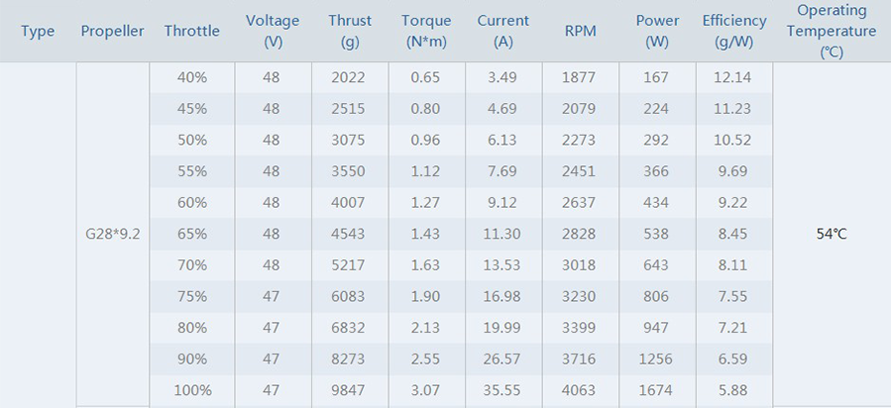
Motor | Prop | ESC | Battery | Voltage(V) | Throttle(%) | Current(A) | Power(W) | Thrust(G) | RPM | Efficiency(G/W) | 옥타설계시 Thrust(G) | 옥타설계시 Current(mA)/분 | 관련사이트
U8 Lite L KV110 | 28인치카본프롭 | 60A | 12S | 48 | 45 | 4.69 | 224 | 2515 | 2079 | 11.23 | 20120 | 625.33333333 | https://artcopter.com/product/detail.html?product_no=878&cate_no=25&display_group=1
https://store.tmotor.com/goods.php?id=1081 | https://store.tmotor.com/goods.php?id=409 |  |  |  | 50 | 6.13 | 292 | 3075 | 2273 | 10.52 | 24600 | 817.33333333
 |  |  |  |  | 60 | 9.12 | 434 | 4007 | 2637 | 9.22 | 32056 | 1216
 |  |  |  |  | 70 | 13.53 | 643 | 5217 | 3018 | 8.11 | 41736 | 1804
 |  |  |  |  | 80 | 19.99 | 947 | 6832 | 3399 | 7.21 | 54656 | 2665.3333333
 |  |  |  |  | 90 | 26.57 | 1256 | 8273 | 3716 | 6.59 | 66184 | 3542.6666667
 |  |  |  |  | 100 | 35.55 | 1674 | 9847 | 4063 | 5.88 | 78776 | 4740
 |  |  |  |  |  |  |  |  |  |  | 0 | 0
 |  |  |  |  |  |  |  |  |  |  | 0 | 0
U8 PRO KV170 | 28인치카본프롭 | 40A | 6S | 22.2 | 50 | 5.5 | 122.1 | 1820 | 1600 | 14.91 | 14560 | 733.33333333 | https://artcopter.com/product/detail.html?product_no=68&cate_no=25&display_group=1
https://store.tmotor.com/goods.php?id=325 | https://store.tmotor.com/goods.php?id=409 |  |  |  | 65 | 10.2 | 226.44 | 2800 | 2000 | 12.37 | 22400 | 1360
 |  |  |  |  | 75 | 13.7 | 304.14 | 3460 | 2200 | 11.38 | 27680 | 1826.6666667
 |  |  |  |  | 85 | 17.8 | 395.16 | 4160 | 2400 | 10.53 | 33280 | 2373.3333333
 |  |  |  |  | 100 | 21.7 | 481.74 | 4590 | 2540 | 9.53 | 36720 | 2893.3333333
 |  |  |  |  |  |  |  |  |  |  | 0 | 0

